Comparision
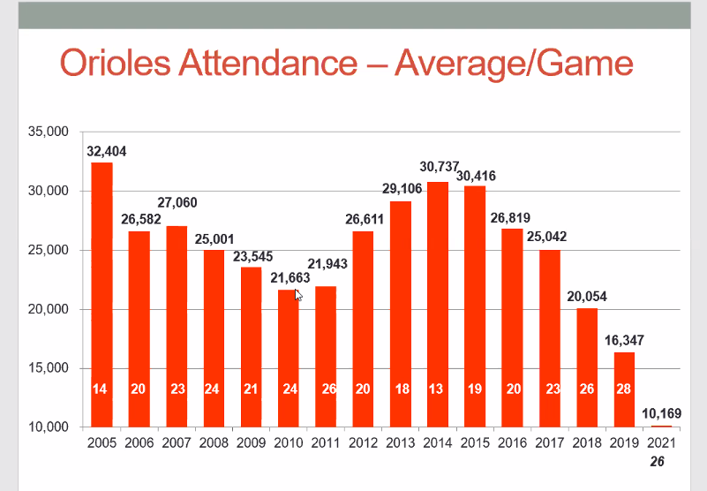

Season | Intercept value | Orioles' Avg. Attendace Per Game

2009 | 18642.82216 | 23545
2010 | 19032.022425 | 21663
2011 | 18852.061924 | 21943
2012 | 23878.977358 | 26611
2013 | 28478.437914 | 29106
2014 | 35457.765352 | 30737
2015 | 30983.358746 | 30416
2016 | 28275.420589 | 26819
2017 | 26065.53556 | 25042
2018 | 20623.062113 | 20054
2019 | 15490.067306 | 16347
2022 (2009-2019) | 24300.315534 | 20857.506329

